Data9 Analysis
Nheads | Quality Index | Avg.OACC | StDev.OACC | Train time (m) | StDev.Time (m) |  |  | 1 | 2 | 4 | 8 | 16
16 | 0.92764352461 | 0.96554526409 | 0.0018607365982 | 41.1 | 12.6 |  | Quality Index | 0.90923648222 | 0.90848107448 | 0.90610425933 | 0.91002327025 | 0.92764352461
8 | 0.91002327025 | 0.88557996074 | 0.0016095065494 | 20.1 | 2.2 |  | Avg.OACC | 0.88945706635 | 0.88606459894 | 0.86910226187 | 0.88557996074 | 0.96554526409
1 | 0.90923648222 | 0.88945706635 | 0.0018139269865 | 21.0 | 7.8 |  | StDev.OACC | 0.0018139269865 | 0.0025160333139 | 0.0019852304512 | 0.0016095065494 | 0.0018607365982
2 | 0.90848107448 | 0.88606459894 | 0.0025160333139 | 24.9 | 1.9 |  | Train time (m) | 21.0 | 24.9 | 16.6 | 20.1 | 41.1
4 | 0.90610425933 | 0.86910226187 | 0.0019852304512 | 16.6 | 0.5 |  | StDev.Time (m) | 7.8 | 1.9 | 0.5 | 2.2 | 12.6

Psize | Quality Index | Avg.OACC | StDev.OACC | Nparams | Train time (m) | StDev.Time (m) |  | 1 | 3 | 5 | 7
7 | 0.92764352461 | 0.99184458022 | 0.0018607365982 | 257642 | 41.1 | 12.6 | Quality Index | 0.14382647997 | 0.78489725846 | 0.86660842253 | 0.92764352461
5 | 0.86660842253 | 0.98452666987 | 0.0022651863498 | 257642 | 24.1 | 4.5 | Avg.OACC | 0.91862428777 | 0.97545136267 | 0.98452666987 | 0.99184458022
3 | 0.78489725846 | 0.97545136267 | 0.00212399705 | 255082 | 20.4 | 1.9 | StDev.OACC | 0.0011935729103 | 0.00212399705 | 0.0022651863498 | 0.0018607365982
1 | 0.14382647997 | 0.91862428777 | 0.0011935729103 | 254570 | 16.0 | 1.2 | Nparams | 254570 | 255082 | 257642 | 257642
 |  |  |  |  |  |  | Train time (m) | 16.0 | 20.4 | 24.1 | 41.1
 |  |  |  |  |  |  | StDev.Time (m) | 1.2 | 1.9 | 4.5 | 12.6

Nblocks | Quality Index | Avg. OACC | StDev.OACC | Nparams | Train time (m) | StDev.Time (m) |  | 1 | 2 | 3 | 4 | 5
5 | 0.92764352461 | 0.96554526409 | 0.0018607365982 | 257642 | 41.1 | 12.6 | Quality Index | 0.88442448776 | 0.91611018024 | 0.90491429273 | 0.90205129146 | 0.92764352461
2 | 0.91611018024 | 0.75230445516 | 0.0022076597847 | 103556 | 13.3 | 2.2 | Avg. OACC | 0.59576631588 | 0.75230445516 | 0.74551952033 | 0.82742337648 | 0.96554526409
3 | 0.90491429273 | 0.74551952033 | 0.0022992574249 | 154918 | 19.1 | 7.8 | StDev.OACC | 0.0014182150349 | 0.0022076597847 | 0.0022992574249 | 0.0017605315028 | 0.0018607365982
4 | 0.90205129146 | 0.82742337648 | 0.0017605315028 | 206280 | 20.2 | 1.9 | Nparams | 53572 | 103556 | 154918 | 206280 | 257642
1 | 0.88442448776 | 0.59576631588 | 0.0014182150349 | 53572 | 8.3 | 0.5 | Train time (m) | 8.3 | 13.3 | 19.1 | 20.2 | 41.1
 |  |  |  |  |  |  | StDev.Time (m) | 0.5 | 2.2 | 7.8 | 1.9 | 12.6

EmbedDim | Quality Index | Avg. OACC | StDev.OACC | Nparam | Train time (m) | StDev.Time (m) |  | 64 | 128 | 256
64 | 0.92581409372 | 0.99184458022 | 0.0018607365982 | 257642 | 41.1 | 12.6 | Quality Index | 0.92581409372 | 0.78101578239 | 0.49337951535
128 | 0.78101578239 | 0.99169355392 | 0.0031548363542 | 1002666 | 36.1 | 11.6 | Avg. OACC | 0.99184458022 | 0.99169355392 | 0.99305279055
256 | 0.49337951535 | 0.99305279055 | 0.0024195000879 | 3967274 | 55.5 | 13.6 | StDev.OACC | 0.0018607365982 | 0.0031548363542 | 0.0024195000879
 |  |  |  |  |  |  | Nparam | 257642 | 1002666 | 3967274
 |  |  |  |  |  |  | Train time (m) | 41.1 | 36.1 | 55.5
 |  |  |  |  |  |  | StDev.Time (m) | 12.6 | 11.6 | 13.6

GSE | Quality Index | Avg. OACC | StDev.OACC | Train Time (m) | StDev.Time |  |  | 1 | 3 | 5 | 7
1 | 0.92350883738 | 0.99184458022 | 0.0018607365982 | 41.1 | 12.6 |  | Quality Index | 0.92350883738 | 0.89798872865 | 0.87379324229 | 0.86948170513
3 | 0.89798872865 | 0.98802773392 | 0.0043358897254 | 27.4 | 8.3 |  | Avg. OACC | 0.99184458022 | 0.98802773392 | 0.98639390403 | 0.98537790897
5 | 0.87379324229 | 0.98639390403 | 0.0035807187309 | 22.5 | 7.9 |  | StDev.OACC | 0.0018607365982 | 0.0043358897254 | 0.0035807187309 | 0.0022539239595
7 | 0.86948170513 | 0.98537790897 | 0.0022539239595 | 19.8 | 2.8 |  | Train Time (m) | 41.1 | 27.4 | 22.5 | 19.8
 |  |  |  |  |  |  | StDev.Time | 12.6 | 8.3 | 7.9 | 2.8

Dropout | Quality Index | Avg. OACC | StDev.OACC | Train Time (m) | StDev.Time |  |  | 0 | 0.1 | 0.15 | 0.2 | 0.3
0.1 | 0.94579912089 | 0.99424727123 | 0.00088100156393 | 185.4 | 0.3 |  | Quality Index | 0.92350883738 | 0.94579912089 | 0.9409157556 | 0.91261053647 | 0.68365236327
0.15 | 0.9409157556 | 0.99329992449 | 0.00059569968147 | 185.9 | 0.2 |  | Avg. OACC | 0.99184458022 | 0.99424727123 | 0.99329992449 | 0.98924967392 | 0.96213358962
0 | 0.92350883738 | 0.99184458022 | 0.0018607365982 | 36.5 | 12.6 |  | StDev.OACC | 0.0018607365982 | 0.00088100156393 | 0.00059569968147 | 0.0033695764955 | 0.012101064305
0.2 | 0.91261053647 | 0.98924967392 | 0.0033695764955 | 185.5 | 60.9 |  | Train Time (m) | 41.1 | 185.0 | 185.6 | 158.1 | 30.2
0.3 | 0.68365236327 | 0.96213358962 | 0.012101064305 | 17.4 | 12.2 |  | StDev.Time | 12.6 | 0.3 | 0.2 | 60.9 | 12.2

Data9 Losses
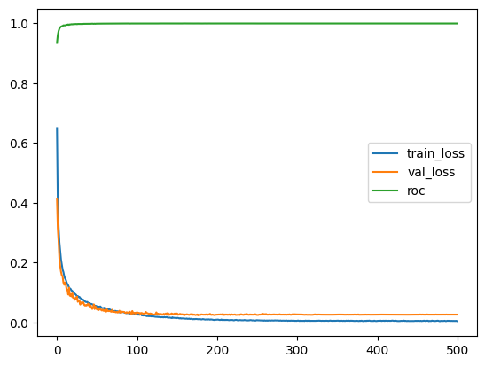
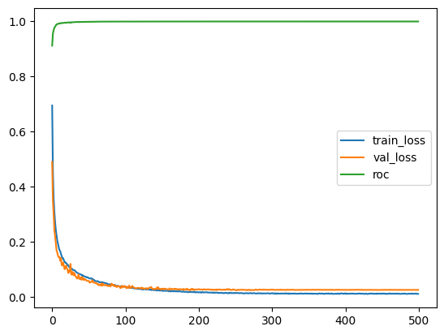
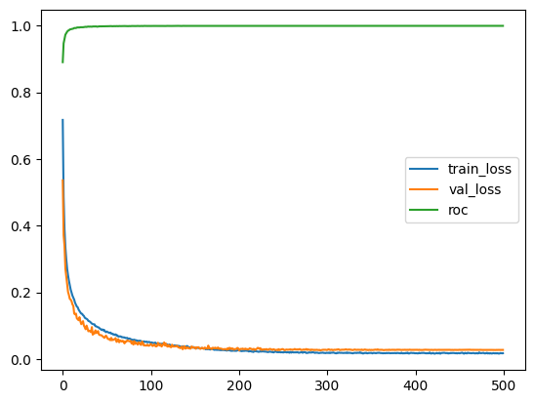
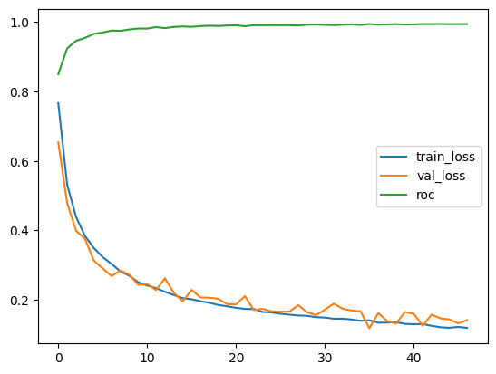
Variable Nheads
EmbedDim | Nblocks | Psize
64 | 5 | 7 |  |  | head 1 |  | head 2 |  | head 4 |  | head 8 |  | head 16
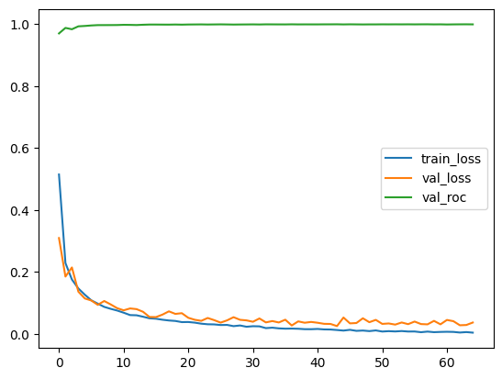
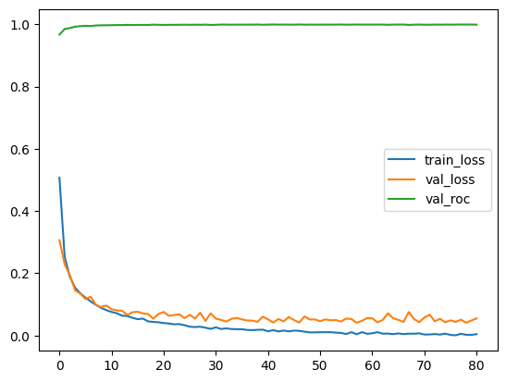
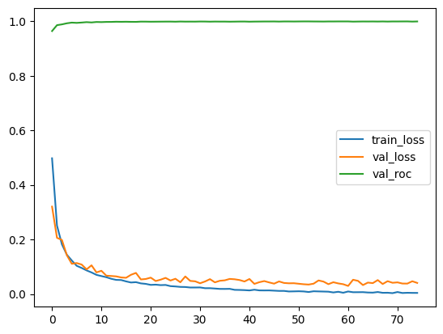
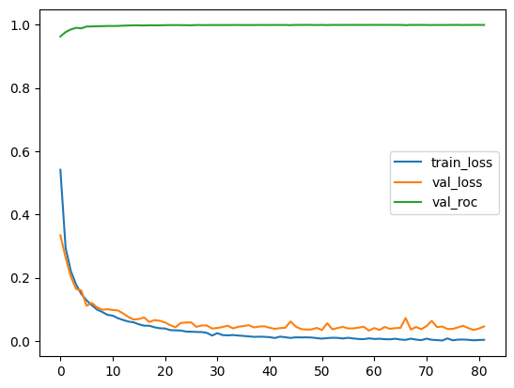
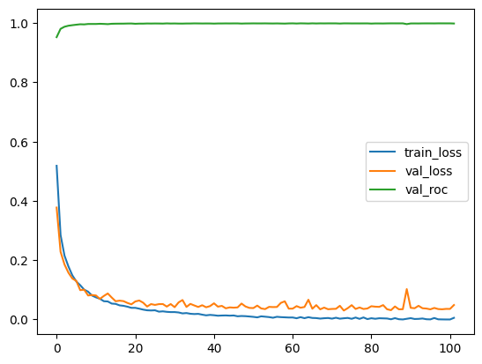

Variable Psize
EmbedDim | Nblocks | Nheads
64 | 5 | 16 |  |  | Psize 1 |  | Psize 3 |  | Psize 5 |  | Psize 7
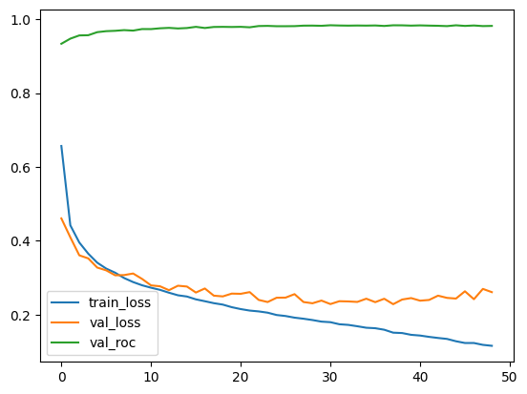
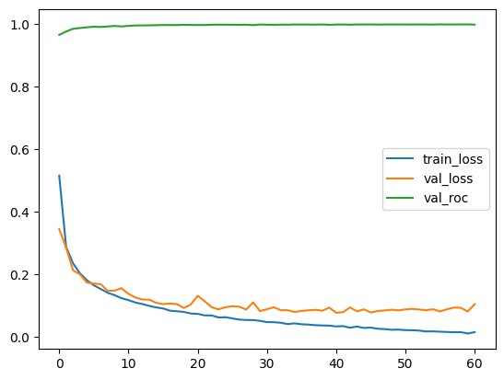
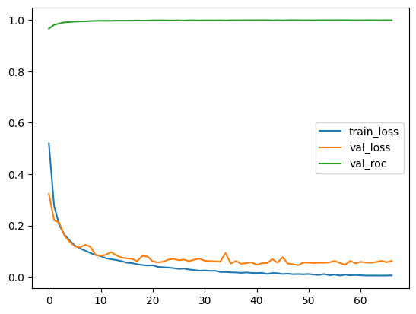

Variable Nblocks
EmbedDim | Nheads | Psize
64 | 16 | 7 |  |  | Nblocks 1 |  | Nblocks 2 |  | Nblocks 3 |  | Nblocks 4 |  | Nblocks 5
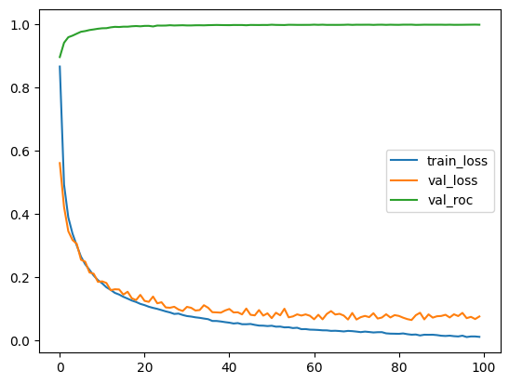
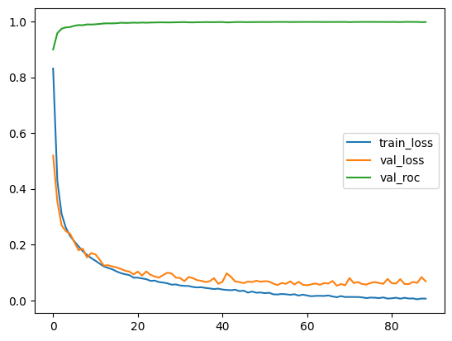
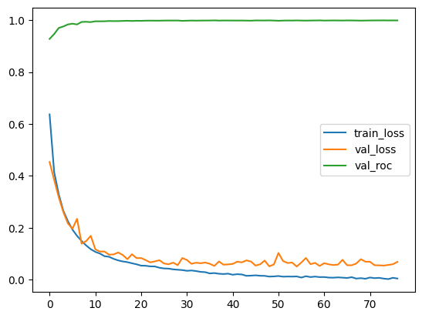
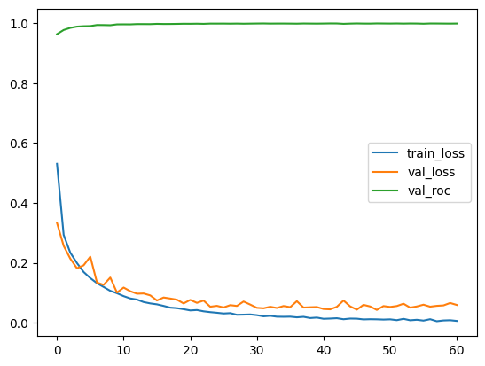

Variable EmbedDim
Nheads | Psize | Nblocks
16 | 7 | 5 |  |  | EmbedDim 64 |  | EmbedDim 128 |  | EmbedDim 256

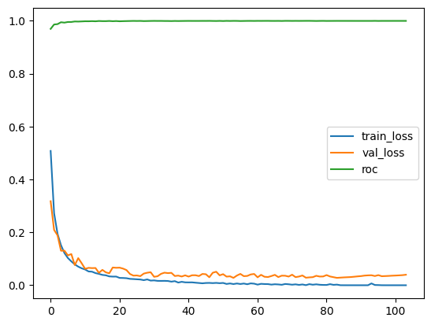
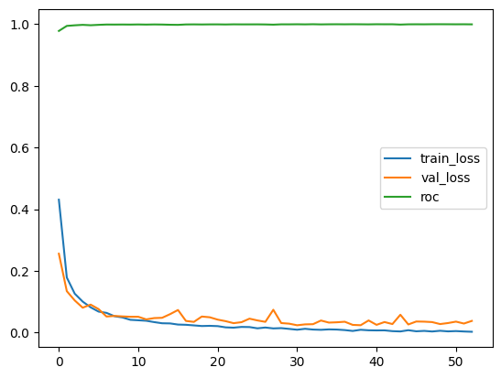

Variable GSE
Nheads | Psize | Nblocks | EmbedDim
16 | 7 | 5 | 64 |  | GSE 1 |  | GSE 3 |  | GSE 5 |  | GSE 7
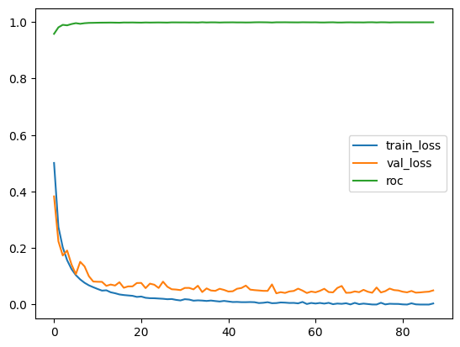
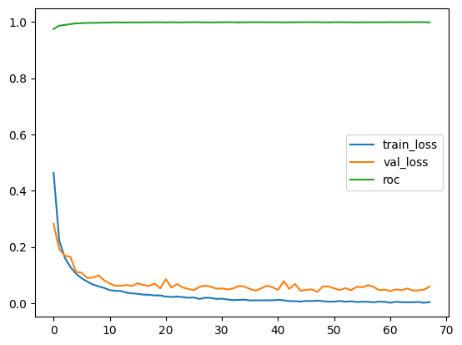
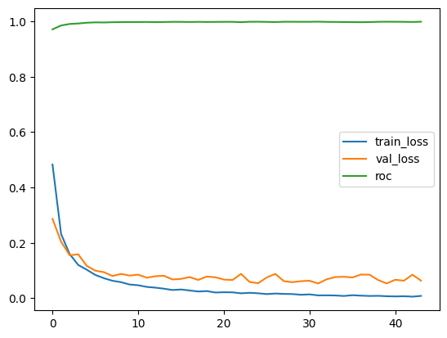

Variable Dropout
Nheads | Psize | Nblocks | EmbedDim | GSE
16 | 7 | 5 | 64 | 1 |  | Dropout 0 |  | Dropout 0.1 |  | Dropout 0.15 |  | Dropout 0.2 |  | Dropout 0.3

